Change Log
Back to Summary
Change Log
Tab Updated | Author | Date | Description of Change | Summary
 |  |  |  | Business Scenario
 |  |  |  | Business View Diagram
Summary | Hiranmayee Sampath Deepesh Khandelwal | 19-Mar-2018 | Draft UC | UC Flows
UC Flows | Hiranmayee Sampath Deepesh Khandelwal | 19-Mar-2018 | Draft UC | FLS
Requirements | Deepesh Khandelwal | 19-Mar-2018 | Draft UC | Requirements
Business Rules | Deepesh Khandelwal | 19-Mar-2018 | Draft UC | Activities
FLS | Deepesh Khandelwal | 28-Mar-2018 | Draft UC | Typelist
Screen Mockup | Deepesh Khandelwal | 28-Mar-2018 | Draft UC | Integration
Integration | Deepesh Khandelwal | 28-Mar-2018 | Draft UC | Permissions
Business View Diagram | Hiranmayee Sampath | 2018-04-03 | Blockchain crop insurance ecosystem | History Events
Screen Mock-ups | Hiranmayee Sampath | 2018-04-03 | Crop Insurance home screen and coverage history screen | Process Flows
Parametric Indices | Hiranmayee Sampath | 2018-04-03 | Payout structure and valuation, Historical data | Business Rules
Business Scenario | Hiranmayee Sampath | 2018-04-05 | Weather based Crop Insurance Contract business model on Blockchain | Parametric Indices
Requirements | Hiranmayee Sampath | 2018-04-06 | Mobile Requirements | Screen Mock-ups
Screen Mock-ups | Hiranmayee Sampath | 2018-04-06 | Added policy details screen | Claim Calculation
Integration | Hiranmayee Sampath | 2018-04-17 | Added INT 0002 to INT 0006
Business Rules | Hiranmayee Sampath | 2018-04-17 | Updated wind speed validation and crop acres

Business Scenario
Weather based Crop Insurance Contract model on Blockchain
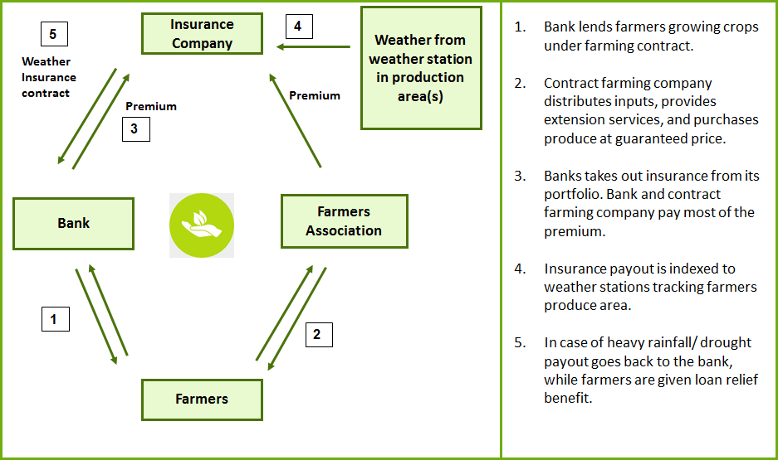

Channels of distribution:
1. Insurance policies retailed through an intermediary, such as a credit institution (bank, credit cooperative, MFI) or an agribusiness firm. This channel of distribution model is illustrated in the above diagram.
2. Contracts directly distributed by the underwriting insurance company, often through the company’s agents

Business View Diagram
Blockchain Crop Insurance Ecosystem



Claims data capture rules
Claims validation rules

Weather station database e.g.: ears.nl



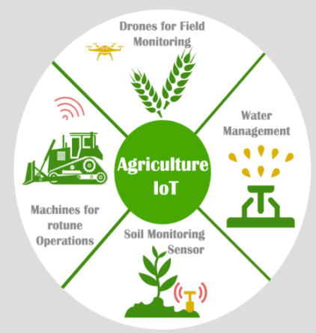

CROP INSURANCE MOBILE DAPP
(aka SMART CONTRACT)
Claims payout through Farmers Wallet

Claims Valuation rules
Claims billing and settlement rules
Agricultural IOT devices

GPS tracking

UC Flows
Back to Summary
Main Flow
Requirement : BC_CI_01-The ability to claim for loss under crop insurance based on the threshold weather parameters
Iteration: IT01
Step | System Response
1 | Weather APIs will be pre configured with the blockchain smart contract. Weather station will inform the smart contracts which will have preprogrammed triggerring events for paying out claims and these triggers will be based on threshold values of weather data set.
2 | Once Smart contract receives the trigger, GPS will identify the associated zip codes. Smart contract will read all the polcies related to the zip codes.
3 | Based on the past years revenue and season, loss is valuated for all the policies.
4 | Once the claim is valued, claims settlement amount will be sent to the insured's bank account associated with policy.
5 | This claim information is updated across the policies for future underwriting process.
6 | Main Flow ends

Requirements
Back to Summary
Requirements
Req ID (Index) | Requirement description | Requirement Type
BC_CI_01 | The ability to claim for loss under crop insurance based on the threshold weather parameters | Generic
BC_CI_02 | Mobile decentralised application should host the Smart Contract in the back end | Mobile
BC_CI_03 | Users: Farmers should be able access mobile information successfully using login credentials | Mobile
BC_CI_04 | After logging in farmers should be able to access and view all their policies and statuses. | Mobile
BC_CI_05 | Selecting a particular policy should navigate to corresponding policy details page | Mobile
BC_CI_06 | Policy details page should contain all policy details, namely: Policy Number Farm location (latitude/ longitude) / address Crop Type Crop Year Farm Area Policy limits | Mobile
BC_CI_07 | Once a claim has been triggered in a Smart contract a claim should be automatically created for the farmer. Claim status will be open. | Mobile
BC_CI_08 | Farmer should be notified in his mobile app that a claim has been triggered. The following details are available in the notification: Policy Number, Claim id, Loss details (Rainfall intensity) | Mobile
BC_CI_09 | Farmer should be able to open the notification and navigate to Claims details page. | Mobile
BC_CI_10 | Coverage history page should display both inforce coverage, settled and expired coverages | Mobile

FLS
Back to Summary
FLS
FLS Reference No. | Display Name | NEW Display Name | Screen Name | Screen Section/Tab | Screen Subsection | OOTB/New/Mod | Business Description | Data Type | Default value | Required | Visibility | Enable | Editable
FLS-0001 | NULL | Policy Number | User Login | N/A | N/A | New | 11 digit Policy number | Integer | N/A | Yes | Yes | N/A | Yes
FLS-0002 | NULL | Password | User Login | N/A | N/A | New | DOB in mm/dd/yyyy format | Date | N/A | Yes | Yes | N/A | Yes
FLS-0003 | NULL | Name of the Insured | Insured Details | N/A | N/A | New | Name of the Insured. Fetched from the Legacy PC system | Varchar | N/A | Yes | Yes | N/A | No
FLS-0004 | NULL | Crop Type | Insured Details | N/A | N/A | New | Crop type like Cotton. Fetched from the Legacy PC system | Varchar | N/A | Yes | Yes | N/A | No
FLS-0005 | NULL | State | Insured Details | N/A | N/A | New | State. Fetched from the Legacy PC system | Varchar | N/A | Yes | Yes | N/A | No
FLS-0006 | NULL | Region | Insured Details | N/A | N/A | New | Region like North/East/West/South. Fetched from the Legacy PC system | Varchar | N/A | Yes | Yes | N/A | No
FLS-0007 | NULL | Area under Cultivation | Insured Details | N/A | N/A | New | Area in acres. Fetched from the Legacy PC system | Numeric | N/A | Yes | Yes | N/A | No
FLS-0008 | NULL | Zip Code | Insured Details | N/A | N/A | New | 5-digit zip code. Fetched from the Legacy PC system | Integer | N/A | Yes | Yes | N/A | No
FLS-0009 | NULL | Last 3 years Average Revenue | Insured Details | N/A | N/A | New | Revenue in $. Fetched from the Legacy PC system | Numeric | N/A | Yes | Yes | N/A | No
FLS-0010 | NULL | Actual Precipitation | Claim Summary | N/A | N/A | New | Actual Precipitation in inch. Fetched through Weather APIs | Numeric | N/A | Yes | Yes | N/A | No
FLS-0011 | NULL | Claim Amount | Claim Summary | N/A | N/A | New | Claim Amount in $. Calculated as per the business rules | Numeric | N/A | Yes | Yes | N/A | No
FLS-0012 | NULL | Bank Account Number | Claim Summary | N/A | N/A | New | Ranges from 10-17 digits. Fetched from the Legacy PC system | Integer | N/A | Yes | Yes | N/A | No

Screen Mockup
Back to Summary

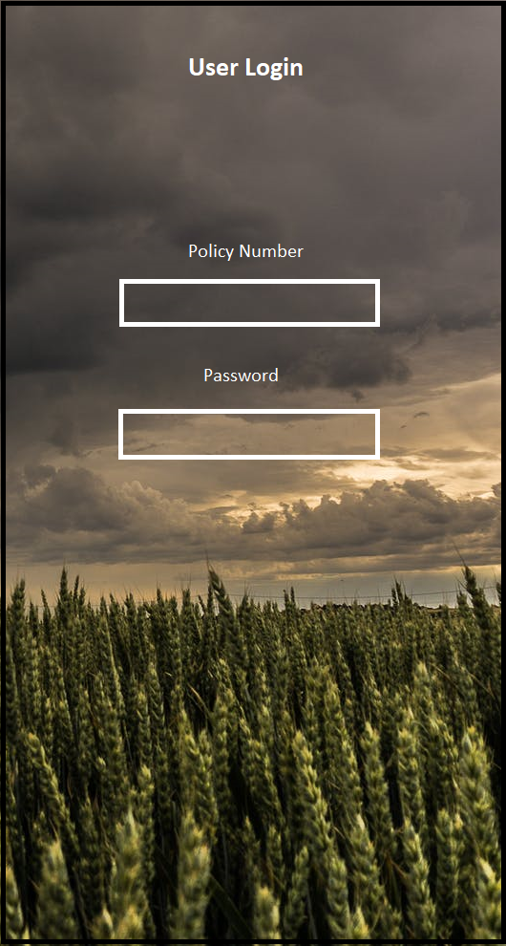
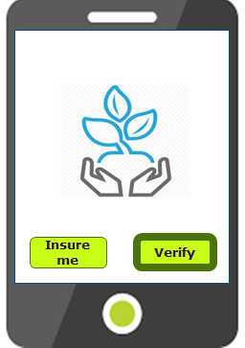
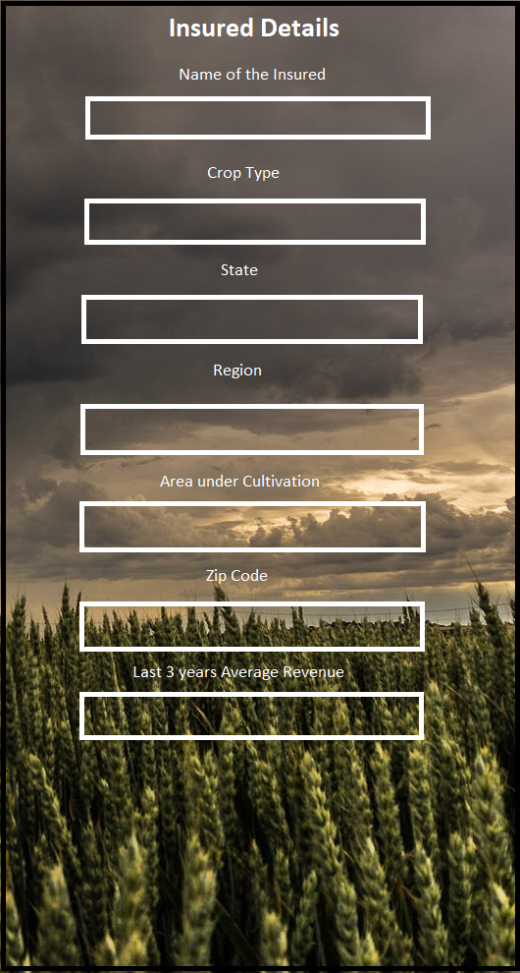
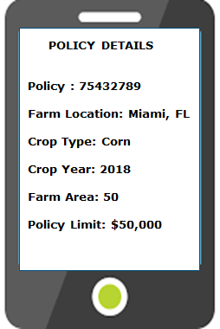
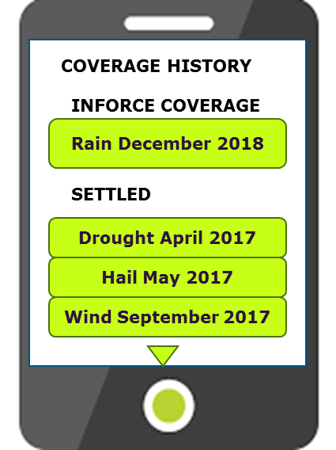
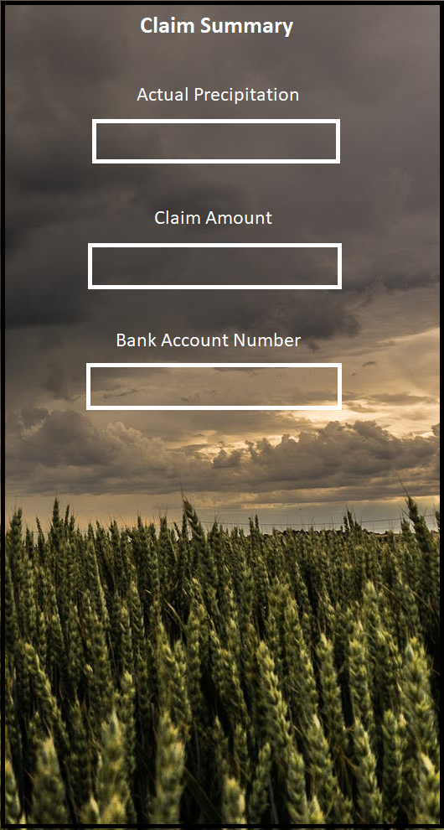

Login Page | Home Page | Insured Details Page | Policy Details Page | Coverage History Page | Claims Summary Page

Business Rules
Back to Summary
Business Rules
Rule ID | Screen Name | Rule Name | Rule Description / Business Purpose | Error Message
BR001 | Claim Summary | Claim Amount calculation | When the crop type = 'Cotton', State='Texas', Region='North' and month = 'October' or 'November', Crop Acre range = 100 acres. If the daily precipitation (in inch) is in between 4 and 5 then claims payout is $ 40,0000 If the daily precipitation (in inch) is more than 5 then claims payout will be $ 50,000 If wind speed is 100 miles per hour then payout will be $ 50,000. | N/A

Integration
Back to Summary
Back to Summary
Integration Component
Integration ID | Integration Name | Integration Description
INT001 | Payment Gateway | Integration with payment gateway required to process the NACHA file to disburse the claim payout amount.
INT002 | Read API for PolicyInfo
INT003 | Read API for ClaimInfo
INT004 | One event from BC for creating claim on ClaimCenter (confirm GW integration capability)
INT005 | Push notification to mobile (technical implementation TBD)
INT006 | Payment trxn evidence during demo (TBD)

